Specialized Diverge STR 2023
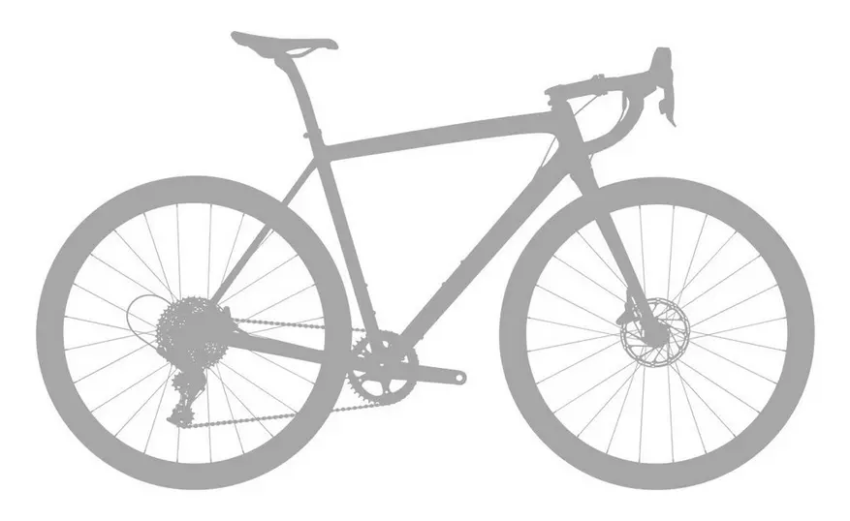
brand | Specialized
model | Diverge STR
model year | 2023
input date | 17-Jul-25
URL | https://www.specialized.com/us/en/diverge-str-pro/p/200577?color=335116-200577
material | udh | dropout | 700c width max | 650B tire max | suspension corrected | fork suspension | stem suspension | rear suspension | rear axle | front axle | q-factor | seatpost diameter | routing shifter | routing dropper | routing dynamo | front derailleur | chainring 1 | chainring 2 | bottom bracket | mounts inner | mounts under | mounts top | mounts fork | mounts fender rear | mounts fender front | mounts rack | ISO ASTM | rotor max front | rotor max rear | frameset | base build | currency | internal storage
carbon | no |  | 47 | 2.1 |  | integrated |  | yes |  |  |  |  |  |  |  | no | 46 |  | threaded | 2 | 1 | yes | yes | no | no | fork |  |  |  |  | 4199 | us | yes

measure range | a10:h37
frame_size | frame_size | 49 | 52 | 54 | 56 | 58 | 61
crank_length | Crank Length | 165 | 170 | 172.5 | 172.5 | 175 | 175
handlebar_width | Handlebar Width | 380 | 400 | 420 | 420 | 440 | 440
stem_length | Stem Length | 60 | 70 | 80 | 90 | 100 | 100
saddle_width | Saddle Width | 155 | 155 | 143 | 143 | 143 | 143
seatpost_length | Seatpost Length | 350 | 350 | 350 | 350 | 350 | 350
bb_height | BB Height | 270 | 265 | 265 | 265 | 265 | 265
seat_tube_angle | Seat Tube Angle | 74.5 | 74.25 | 74 | 74 | 74 | 74
axle_crown | Fork Length, Full | 390 | 390 | 390 | 390 | 390 | 390
reach | Reach | 365 | 374 | 383 | 392 | 401 | 410
seat_tube_length | Seat Tube Length | 390 | 430 | 470 | 500 | 530 | 560
stack | Stack | 569 | 576 | 593 | 609 | 633 | 659
wheelbase | Wheelbase | 1023 | 1027 | 1034 | 1044 | 1060 | 1078
top_tube_effective_length | Top Tube Length, Horizontal | 527 | 556 | 570 | 586 | 602 | 540
trail | Trail | 69 | 66 | 61 | 57 | 57 | 57
standover | Bike Standover Height | 704 | 730 | 753 | 778 | 804 | 833
head_tube_angle | Head Tube Angle | 70 | 70.5 | 71.25 | 71.75 | 71.75 | 71.75
fork_offset_rake | Fork Rake/Offset | 55 | 55 | 55 | 55 | 55 | 55
head_tube_length | Head Tube Length | 100 | 100 | 115 | 130 | 155 | 182
bottom_bracket_drop | BB Drop | 80 | 85 | 85 | 85 | 85 | 85
front_center | Front Center | 607 | 612 | 619 | 629 | 645 | 663
chainstay_length | Chainstay Length | 429 | 429 | 429 | 429 | 429 | 429
frame_size
wheel_size |  | 700 | 700 | 700 | 700 | 700 | 700
tire_width_spec |  | 42 | 42 | 42 | 42 | 42 | 42
tire_width_max |  | 47 | 47 | 47 | 47 | 47 | 47
rider_min |  | 152 | 163 | 170 | 176.5 | 180 | 188
rider_max |  | 163 | 170 | 176.5 | 180 | 188 | 196
 |  | 152 | 163 | 170 | 175 | 180 | 188
 |  | 163 | 170 | 178 | 180 | 188 | 196

